Table 17
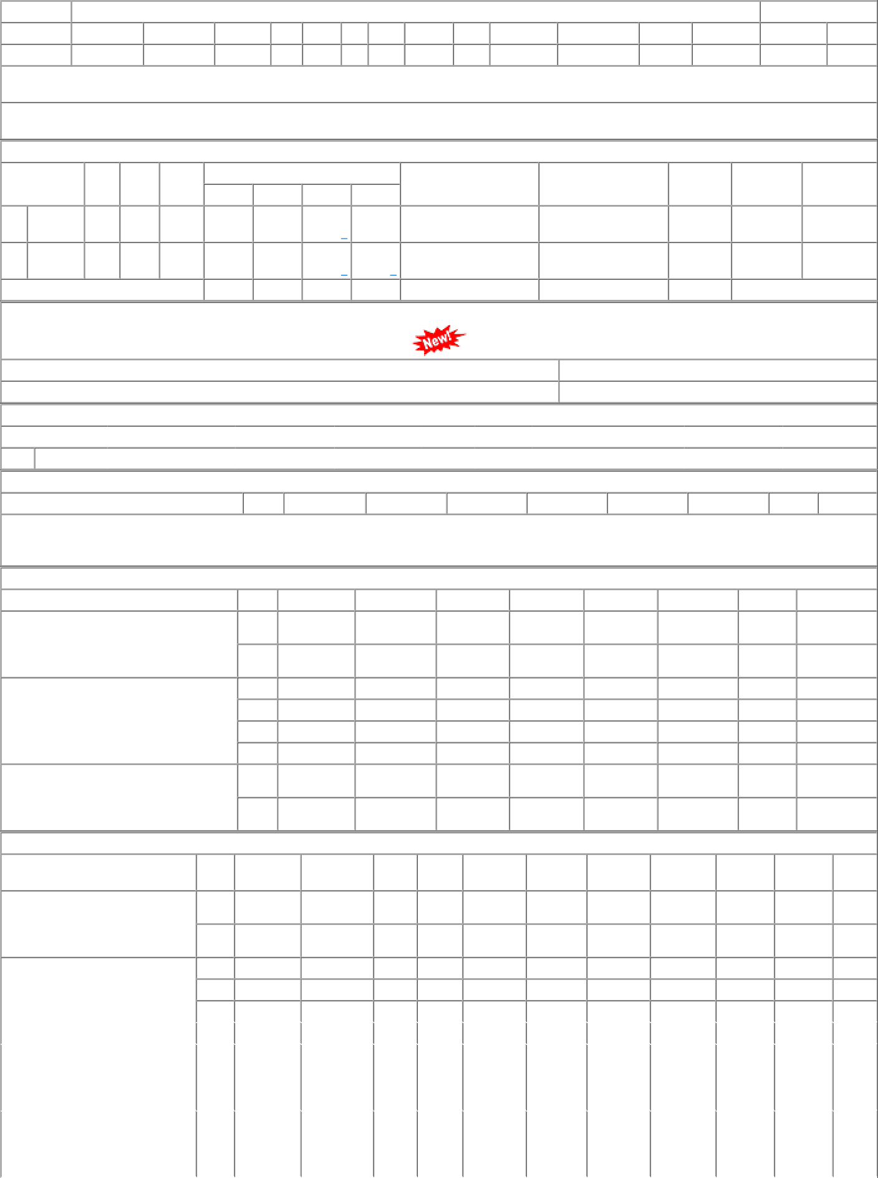
 | 004 | BVPW | 17263.40 | 48 | Nos. | 0 | 0 | 48 | 2022-11-24 | 2022-09-24 | 24/11/22 OP
P.O.No.78221198100387 | 001 | BVPW | 17287.00 | 40 | Nos. | 0 | 0 | 40 | 2022-10-16 | 16/10/22 OP
dt.17/08/22 on M/s.ALVIND INDUSTRIES-CHANDIGARH PO-CAT:[ Reg ]
P.O.No.52221299100946 dt.14/06/22 on M/s.S.M. ENTERPRISE-HOWRAH PO- CAT:[ Reg ] | 001 | PL-CR | 11706.78 | 50 | Nos. | 0 | 0 | 50 | 2022-08-13 |  | 28/08/22 OP

